.. How it Works ..
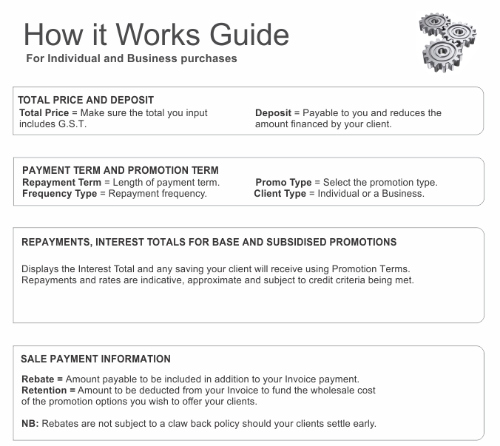

Individual and Business Finance Retailer Calculator Ver 10.7 - $500 to $25,000 purchases

Total Price Including GST |  |  | Deposit
$2,500.00 |  |  | $300.00

Use the BLUE input fields for calculations. All pull down options are selectable except N/A. Quoted Repayments, Rates and Interest Totals are to be treated as an indicative guide.

Repayment Term | Promo Type

Frequency Type | Client Type

Register your Processing options here… |  | www.creditcapable.co.nz/html/gold.html

Monthly Payments |  |  | $91.59

Standard Rate Interest Total |  |  | $1,100.80

Subsidised Rate and Interest Total |  | 26.61% | $652.24

Interest Savings (Your Client Saves) |  |  | $448.56

Sale payment information - If you need help - Ph 0800 74 11 11 - Ext 3.

Purchase Price - Deposit |  |  | $2,200.00

No Rebate or Retention |  |  | 0.00%

No Rebate or Retention |  |  | $0.00

Total Payable to your Bank Account |  |  | $2,200.00

A break down of each sale will be detailed in the Payment Notifications we send you.
For questions and queries please email… |  | accounts@creditcapable.co.nz

CAUTION: This correspondence with accompanying data contains information that is confidential and subject to commercial agreements. If you are not the intended recipient you are hereby notified – that any dissemination, distribution or copying of this information / data is: STRICTLY PROHIBITED.

